Title Page
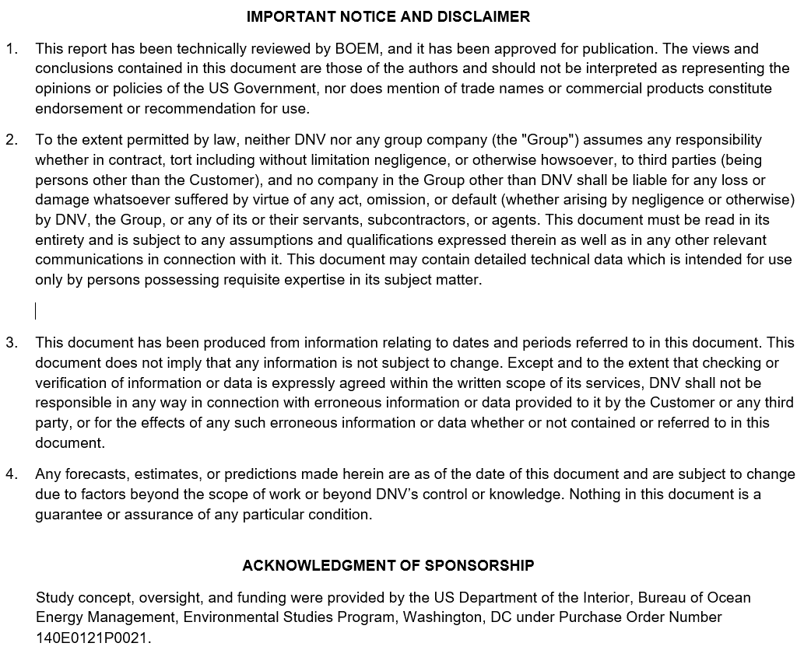
.

 | Title | Remote Technologies Study
 | Customer | Bureau of Safety and Environmental Enforcement (BSEE)
 | Document No. | 10311530-HOU-XL-01
 | Issue | A
 | Status | Draft
 | Date | 1-Jul-22
 | Classification | Customer Discretion
 |  | Authors | Verified | Approved
 | Register 1 | Mayuresh Dhaigude, Prin. Eng. Noe Rouxel, Sr Eng | Ruth Marsh, Proj Mgr | Jake Frye, Proj. Sponsor
 | Register 2 | Mayuresh Dhaigude, Prin. Eng. Noe Rouxel, Sr Eng | Ruth Marsh, Proj Mgr | Jake Frye, Proj. Sponsor
 | Register 3 | Noe Rouxel, Sr. Eng. Vivek Jaiswal, Sr. Eng. | Ruth Marsh, Proj Mgr | Dayton Griffin, HoS Asset Ops and Mgmt
 | Register 4 | Cheryl Stahl, Prin. Consult.. | Ruth Marsh, Proj Mgr | Jake Frye, Proj. Sponsor
 | Register 5 | Noe Rouxel, Sr. Eng. Vivek Jaiswal, Sr. Eng. | Ruth Marsh, Proj Mgr | Jake Frye, Proj. Sponsor
 | Register 6 | Noe Rouxel, Sr. Eng. Vivek Jaiswal, Sr. Eng. | Ruth Marsh, Proj Mgr | Jake Frye, Proj. Sponsor
 | Register 7 | Noe Rouxel, Sr. Eng. Idalia Muchaca, OSW Analyst | Ruth Marsh, Proj Mgr | Jake Frye, Proj. Sponsor
 | Register 8 | Noe Rouxel, Sr. Eng. Idalia Muchaca, OSW Analyst Anna Brzozowski, OSW Analyst | Ruth Marsh, Proj Mgr | Jake Frye, Proj. Sponsor
 | Register 9 | Ruth Marsh, Prin. Eng Idalia Machuca, OSW Analyst Anna Brzozowski, OSW Analyst | Jake Frye, Project Sponsor | Jake Frye, Project Sponsor
 | DNV Legal Entity |  | DNV Energy USA Inc.

 | History
 | Issue: | Date: | Summary
 | A | 1-Jul-22 | Initial merged workbook of previously delivered individual Registers
 | B | 15-Aug-22 | Edited for inclusion in as Appendix B in the report. No substantive changes.

 | This Excel workbook constitutes Appendix B of report 10311530-HOU-R-01 B Remote Technology for Offshore Wind Inspection and Maintenance

 | IMPORTANT NOTICE AND DISCLAIMER

Register 1
 | Register 1 | Register of remote monitoring methods

 | Explanatory note:
 | This register provides a despcription of the most prevalent and promising remote monitoring methods as applied to offshore wind equipment.

No. | Monitoring Method | Description | Typical Equipment | Type (external/ embedded) | Type of equipment it applies to | Examples of identifiable failure modes | Advantages (Technical and economic) | Disadvantages / limitations (Technical and economic) | Extent of application in offshore wind industry | Applicable AWL, BWL or both? | Data Format | Data processing method | References
1) | Visual inspection | Visual inspection of external surface to identify surface condition. | Camera, borescope, endoscope | external or embedded | External visible surfaces of all equipment | *External corrosion *Structural damage, *External degradation/ cracking *Route changes | 1) Easily available compared to other inspection methods 2) Photographic evidence can be stored and transferred to experts not at site 3) Most economic compared to other methods. Can be used prior to involving other, more expensive, methods | 1) Condition of internal components cannot be assessed. Most of the critical load carrying or functional components are internal and therefore can not be inspected visually. 2) Not as accurate as other inspection tools e.g. MPI, UT 3) Not a preventive tool. It does not provide quantitative information to predict sudden failure in most cases. | Visual inspection of wind systems can be carried out using drones (AWL) and ROVs/AUVs/ submersible drones (BWL) | BOTH | Photos and/or Video | 1) Human inspects photos/video, findings logged by hand 2) Machine learning tool inspects photos/video to identify and log anomalies, then human reviews and verifies logged anomalies
2) | Radiographic Inspection | X- rays allow inspection of internal components made of materials through which X-rays can travel. |  | external | Internal components and metallic sheet thickness | *Structural damage *Fatigue (cracking) | 1) Allows inspection of internal components 2) Able to quantify the state of inspected component and its defects | 1) Hazardous to handle (source) 2) Requires a detector for which accessibility can be limited to detect internal flaws 3) Results interpretation can be challenging for components with multiple materials 4) Relatively expensive and typically requires manual operation | Limited to above water components and metal sheet thicknesses of hull | Mostly AWL | X-Ray scans | 1) Human inspects scans to identify defects, records measurements by hand 2) Machine learning tool inspects scans to identify and log anomalies, then human reviews and verifies logged anomalies | https://www.hindawi.com/journals/stni/2011/347320/ | https://www.theengineer.co.uk/underwater-radiography/ | https://www.ndt.net/search/docs.php3?id=22495
3) | Ultrasonic inspection (UT) | Ultrasonic waves transmitted into materials to detect internal flaws or characterize external surfaces as well as internal areas in metallic and non-metallic (e.g., composite) components. Different UT techniques include Pulse Echo UT, Phase Array UT, and Air Coupled UT | portable ultrasonic inspection probe | external | Foundations, moorings, cable system, blades, welds on towers and other structures | *Structural damage, degradation and aging *Insulation damage | 1) More accurate than visual inspection. Able to measure thickness. 2) Measurement will quantify the status of failure mode (structural damage), can produce high quality scans of crack/weld issues. 3) Well established Non-destructive inspection method. | 1) Expensive 2) Deployment of equipment involved can be challenging offshore 3) Requires post-processing of data and its interpretation (certified technician) 4) Not suitable for certain materials, odd shapes, small objects and rough materials for sound transmission | Underwater or above water inspections of welds and metallic materials of the turbine base can be carried out using ROVs | BOTH | UT Scans, measurements | 1) Human inspects scans to identify defects, records measurements by hand 2) Machine learning tool inspects scans to identify and log anomalies, then human reviews and verifies logged anomalies | https://blog.asnt.org/applications-for-underwater-ultrasonic-testing/
4) | Thermographic inspection | Nonintrusive, usually non-contact inspection technique that involves measuring temperature. Can be used to get a point measurement, or provide a contour map showing temperature variations over an area |  | external | Electrical (subsea electrical cable) | *Overheating *Insulation damage | 1) Provides overall qualitative diagnostics of the conductor or the insulation | 1) Relatively expensive 2) Deployment of equipment involved can be challenging offshore 3) Requires post-processing of data and its interpretation (certified technician) 4) Requires further assessment to identify the exact issue 5) Cannot be used for buried/trenched cables | Mostly array cables | BWL | Thermal Imaging Scans | 1) Human inspects scans to identify defects 2) Machine learning tool inspects scans to identify and log anomalies, then human reviews and verifies logged anomalies | Thermographic rotor blade inspection from larger distances -- a promising tool for the maintenance of wind turbines
5) | Infrared thermography (IR) | A specific type of thermographic inspection that measures temperature differences to within 0.05 deg C. Provides a contour map showing temperature variations over an area, where thermal signatures may be caused by friction in structural cracks, or changes in air flow such as boundary layer turbulence over a blade. | Thermal imaging camera | external | rotor blades, electrical equipment | rotor blades: cracks, delamination, aerodynamic behavior, overheating components | 1) Non-destructive 2) Possible deployment on drones | 1) Limitations in damage detectability 2) Sensitive to ambient conditions (light and heat) | Limited to above water, blades most likely application | AWL | Thermal Imaging Scans | 1) Human inspects scans to identify defects 2) Machine learning tool inspects scans to identify and log anomalies, then human reviews and verifies logged anomalies | Thermographic inspection of wind turbine rotor blade segment utilizing natural conditions as excitation source, Part II: The effect of climatic conditions on thermographic inspections – A long term outdoor experiment - ScienceDirect | https://doi.org/10.1533/9780857093554.4.634 | Autonomous Infrared (IR) Thermography based inspection of glass reinforced plastic (GRP) wind turbine blades (WTBs) | IEEE Conference Publication | IEEE Xplore | wes-3-639-2018.pdf (copernicus.org)
6) | Accelerometer | Measures vibrations, detecting specific frequencies related to structures (e.g., natural frequencies) and rotational components (e.g., gear mesh frequencies) | Accelerometers | embedded | gearbox, tower, blades | Structural damage in blades and towers, pitting in bearings, wear in gear teeth | 1) Continuous monitoring 2) Mature technology in rotating machinery | 1) Less-mature technology for blade and tower structures 2) Requires baseline to be determined 3) Challenges in setting alarm thresholds: detecting damage early enough while avoiding "false positives" | Feasibility likely limited to above water, drivetrain, blades and tower | AWL | Time-series of vibrational signals | 1) Digital analysis to detect harmonics 2) Alarms and notifications based on thresholds, shifts in frequency 3) Human intervention in response to alarms / notifications
7) | Acoustic emissions | Measures acoustic signals from an elastic wave (20-1000 kHz) generated by rapid release of energy from within a material. Can be cracking or popping noises due to structural damage, or tonal signals due to air passing over a feature (e.g., on blade surface) | acoustic sensor | external or embedded | Blade interior structure or exterior surfaces | *Damage in blade laminate (cracks, delamination), *Cracks or other damage on blade exterior, particularly on outer spanwise locations where air flow speeds are high | 1) Continuous monitoring 2) Relatively inexpensive sensors | 1) Low maturity in blade applications 2) Requires baseline to be determined 3) Challenges in setting alarm thresholds: detecting damage early enough while avoiding "false positives" | Little to date | AWL | Time-series of acoustic signals | 1) Digital analysis to filter background noise and detect harmonics 2) Alarms and notifications based on thresholds, new signals relative to baseline 3) Human intervention in response to alarms / notifications | New Rotor Blade Inspection Methods for Offshore Wind Turbines (materialsperformance.com)
8) | Microwave | Detects changes in dielectric constant of materials |  | external | Blade fiberglass materials | In blade fiber reinforced plastic: broken fibers, voids, disbonds | 1) Non destructive 2) Can resolve early stages of damage | 1) Newer technology for wind turbine application | Little to date | AWL | Imaging Scans | 1) Human inspects scans to identify defects 2) Machine learning tool inspects scans to identify and log anomalies, then human reviews and verifies logged anomalies
9) | Fiber optics | Measures strain | glass fiber filaments | embedded | Blades | Allows measurement of deflections correlated with operating conditions, including potential changes relative to baseline operational behavior | 1) Continuous monitoring 2) Can be used for turbine control (e.g., for load reduction) and also to detect damage | 1) Must be planned-for at the design stage 2) Data requires post-processing and a baseline is needed in order to interpret results 3) Challenges in setting alarm thresholds: detecting damage early enough while avoiding "false positives" | Above water blade monitoring | AWL | Time series of strain signals | 1) Digital analysis to compare strain signals with baseline 2) Strains may be computationally integrated to calculate deflections 3) Alarms/notifications based on trending of strains and/or deflections relative to baseline 4) Human action/interventions in response to alarms and notifications
10) | Fiber optics - Optical | Time domain reflectometry to identify anomalies in the fiber optic cable (embedded in subsea cable) along its length | glass fiber filaments | embedded | Subsea cable (Array and export) | *Structural damage, degradation, and aging | 1) provides accurate information of cable interruptions, location of joints compared to the baseline 2) no offshore deployment of personnel is required therefore safe method 3) cable integrity can be monitored automatically at predefined intervals or continuously | 1) Must be planned-for at the design stage 2) Data requires post-processing and a baseline is needed in order to interpret results | Applicable for subsea cable and components using composite material where it can be embedded | BOTH | OTDR scans | 1) Human inspects scans to identify defects, record measurements by hand 2) Machine learning tool inspects scans to identify and log anomalies, then human reviews and verifies logged anomalies
11) | Fiber optics - Thermal | Distributed Temperature Measurement System (DTMS) uses the change in optical signal to determine the temperature of the fiber optic and therefore adjacent conductor/cable | glass fiber filaments | embedded | Subsea cable (Array and export) | *Overheating, *Insulation damage | 1) provides accurate information of cable interruptions, location of joints compared to the baseline 2) no offshore deployment of personnel is required therefore safe method 3) cable integrity can be monitored automatically at predefined intervals or continuously | 1) Must be planned-for at the design stage 2) Data requires post-processing and a baseline is needed in order to interpret results | Applicable for subsea cable and components using composite material where it can be embedded | BOTH | Thermal scans | 1) Human inspects scans to identify defects, record measurements by hand 2) Machine learning tool inspects scans to identify and log anomalies, then human reviews and verifies logged anomalies
12) | Strain gauges | Measure state of strain [stress] of a structure using a gauge attached to the structure | strain gauge bridges | embedded | Foundations Moorings Cable system (above water to be filled) | *Structural damage *Fatigue | 1) Provides the first hand quantitative information of state of structure exposed to loading 2) Can collect, store and transmit data using pre-installed equipment | 1) requires planning from start of operational life and associated cost 2) limited to number of gauges and their location on structure 3) limited service life | Applicable for foundations, moorings and cable system | BOTH | Gauge transmits measurement data over time | 1) Data acquisition system is used 2) Machine learning tool inspects data to identify, log anomalies and predict failure, then human reviews and verifies logged anomalies
13) | Digital twin / online monitoring | Virtual model (software tool) designed to accurately reflect a physical system. The tool collects and processes various inspection data to represent the state of the components and predict their behavior. | Computer with digital model of the physical system | external or embedded | All components where inspection data can be obtained | customized for desired failure mode (e.g. fatigue, structural, corrosion etc.) | 1) can be developed or expanded to cover a number of failure modes 2) results can be accessed remotely in real time, no human intervention required | 1) Relies on the inspection data and training 2) complex system relying on multiple inputs and processing of data 3) requires feedback/confirmation/validation of the inputs | Applicable for all offshore wind components | BOTH | Responses are evaluated internally by the digital twin tool triggering alarms visualized in a control panel | 1) Inspection data is processed by the digital twin tool 2) Machine learning process identifies and logs anomalies and predicts failure, then human reviews and verifies logged anomalies
14) | Magnetic flux leakage | Magnetic field applied to external post-tensioned tendons, metallic cables, steel structures to detect location and extent of corrosion | Permanent magnets, magnetometer | external | post-tensioned tendons, metallic cables, steel structures | corrosion, breakage of cable strands, pitting | 1) NDE technique 2) Can detect several failure modes 3) |  | Metal anchor cables, post-tensioned tendons in concrete structures (foundations, floaters), steel structures | BOTH | Incidents of flux leakage show up in scan of magnetized component, indicating where damage has been detected. |  | https://www.infrastructurepc.com/post-tension-tendon-how-to-inspect-a-post-tension-tendon/
15) | Coupon inspection | Test coupons are small samples of materials to be tested that are exposed to the environment in operating equipment. They are removed at specified intervals and inspected to monitor structural/material integrity. | Coupons for testing | embedded | BWL: Foundation (material from structures), Moorings, Array or Export Cables (insulation) AWL: Tower, Power cables (insulation) | Corrosion, structural and fatigue damage, degradation, insulation damage | 1) Provides the best-quality first hand information | 1) involves retrieval/replacement operations offshore 2) limited to number of coupons 3) requires planning from start of operational life | Applicable for foundations, moorings, cable system (array and export), towers, power cables | BOTH | Physical piece of equipment retrieved where usually destructive examination/ characterization is carried out | 1) Additional equipment needed for destructive examination, measurements 2) Typically not automated

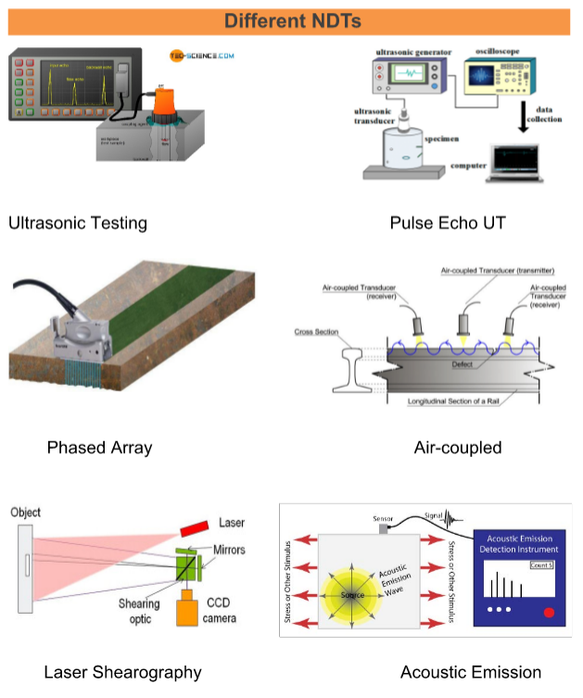
 | List of Acronyms | Definition
 | AUV | autonomous underwater vehicle
 | AWL | above water line
 | BWL | below water line
 | DTMS | Distributed temperature measurement system
 | IR | Infrared thermography
 | MPI | Magnetic particle inspection
 | RGB | "Red, Green, Blue" feature of visual cameras to produce full-color images
 | ROV | remotely operated vehicle
 | UUV | Underwater unmanned vehicle
 | UT | Ultrasonic testing

Register 4
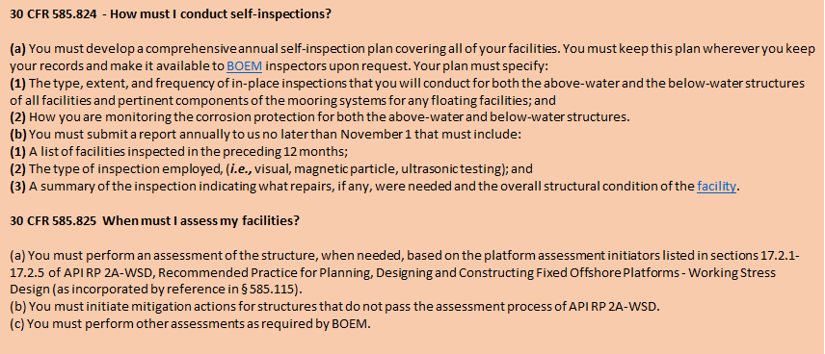
 | Register 4

 | Explanatory note:
 | This register summarizes various aspects of remote inspection programs, how they are implemented, and how they support BSEE's self-inspection requirements.
 |  | 8 | 9 | 10 | 11 | 12 | 13
 |  | How does remote inspection support/enhance compliance with 30 CFR 585.824 - How must I conduct self-inspections?
 | 1 | (a) Develop a self-inspection plan specifying: |  | (b) Report annually to BOEM, by Nov 1:
No. | Inspection type | 1) Type, extent, frequency of in-situ inspections of all mooring systems and floating facilities | 2) How corrosion protection is monitored for AWL and BWL structures | 1) List of facilities inspected in preceding 12 months | 2) Type of inspection | 3) summary of the inspection indicating what repairs, if any were needed, and overall structural condition of the facility. | Extent of application in offshore wind industry | References 1 | 2 | 3 | 4
 | ABOVE WATER LINE | Does this comply/facilitate? | Does this comply/facilitate? | Does this comply/facilitate? | Does this comply/facilitate? | Does this comply/facilitate?
1 | Periodic visual inspection of AWL external structural condition | Yes, drone inspections of external structures can be included in inspection plan - Assumed Annual | Yes. Coupons (must be retrieved to assess corrosion); galvanic probes (remotely monitored); strain gauges (remotely monitored) can be used to monitor corrosion in external AWL structures | Yes, reported annually. External portions of: nacelle, towers, platform, ancillary structures AWL, connections to transition piece. | Yes. The annual report can specify visual inspection, via drone. | Yes. The annual report can document any needed repairs carried out on the structure in compliance with 30CFR585.824. | Increasing adoption | https://ulcrobotics.com/project/uas-offshore-wind-turbine-foundations/ | https://www.windpowerengineering.com/5-tips-for-offshore-wind-turbine-inspections-by-drone/
2 | Periodic visual inspection of external condition of wind turbine blades | Yes, drone inspections of blade exterior can be included in inspection plan - Assumed Annual inspection of blade exterior, visual, UT, and thermographic inspection to assess corrosion from UV radiation | Yes. Anti-corrosion coatings on the rotor blade exteriors can be inspected annually using thermographic inspection to check for UV corrosion. | Yes, reported annually. Blade exterior. | Yes. The annual report can specify visual inspection, via drone, as well as UT inspection, via crawler | Yes. The annual report can document any needed repairs carried out on the structure in compliance with 30CFR585.824. | Mainstream adoption | https://www.materialsperformance.com/articles/coating-linings/2018/02/new-rotor-blade-inspection-methods-for-offshore-wind-turbines | Corrosion Mechanism on Offshore Wind Turbine Blade in Salt Fog Environment | Scientific.Net
3 | Periodic internal blade inspection - visual | Yes, drone or robot/crawler inspections of blade interior can be included in inspection plan - Assumed Annual | Yes. Cathodic protection system can help prevent integrity issues. First, a baseline CP survey should be performed to confirm fitness for service. | Yes, reported annually. Blade interior. | Visual, via drone or crawler robot (including inspector-guided drone or robot | Yes. The annual report can document any needed repairs carried out on the structure in compliance with 30CFR585.824. | Increasing adoption | https://www.energyglobal.com/wind/14072021/robotic-inspection-project-for-offshore-wind-turbines-concludes/ | https://www.mdpi.com/1996-1073/14/2/294/pdf
 | BELOW WATER LINE | Does this comply/facilitate? | Does this comply/facilitate? | Does this comply/facilitate? | Does this comply/facilitate? | Does this comply/facilitate?
4 | Periodic inspection of BWL external structural condition | Yes. Annual ROV inspections of BWL external structural structures can be included in the self-inspection plan | Yes. Advanced impressed current cathodic protection (ICCP) uses ICCP anodes and sensors to work together to both mitigate and monitor corrosion | Yes, reported annually. External portions of: foundations (fixed or floating) at and below the water line and above the sea bed, including the transition piece or platform connecting to the tower | Visual, via ROV | Yes. The annual report can document any needed repairs carried out on the structure in compliance with 30CFR585.824. | Mainstream adoption | https://proceanic.com/osw-rov-services-2/ | https://www.offshore-mag.com/renewable-energy/article/14206590/oceaneering-new-workclass-rov-can-operate-in-harsh-tidal-environments | https://www.oedigital.com/news/490738-honuworx-ore-catapult-working-on-ridley-subsea-mothership-for-offshore-wind-rovs-auvs | https://www.windpowermonthly.com/article/1314300/making-right-subsea-skills-choice | (PDF) Inspection and monitoring of corrosion inside monopile foundations for offshore wind turbines (researchgate.net) | ICCP Offshore Wind turbine protection (corrosion.nl) | Cathodic_Protection_of_Subsea_Systems_-_Lessons_Learned_(FINAL).pdf (clarusintegrity.com)
5 | Periodic inspection of BWL internal structural condition | Yes. Annual inspection of interiors BWL components (e.g., monopile, transition piece) both visual (via diver and/or ROV) and UT (remote), to assess corrosion damage. | Yes. Coupons installed during manufacturing, galvanic anodes that allow remote monitoring, strain gauges that identify changes in stress concentrations, indicating erosion or corrosion | Yes, reported annually. Monopile interior; spar buoy interior; transition piece interior; interior of other steel structure subject to corrosion | Visual, manned; UT, automated; real-time monitoring | Yes. The annual report can document any needed repairs carried out on the structure in compliance with 30CFR585.824. |  | (PDF) Inspection and monitoring of corrosion inside monopile foundations for offshore wind turbines (researchgate.net)
6 | Determine subsea export cable location | Yes. Annual visual inspection (via ROV) to establish that subsea cables have not shifted or been compromised can be included in self-inspection plan | Yes. Subsea cables generally have zinc-coated armoring, overlain by a further protecting extruded polymeric lay | Yes, reported annually. Subsea cables. | Visual, via ROV | Yes. The annual report can document any needed repairs carried out on the structure in compliance with 30CFR585.824. | Increasing adoption | https://www.ecagroup.com/en/solutions/windfarm-inspection-and-monitoring-rov | https://www.whoi.edu/news-insights/content/a-new-way-of-seeing-offshore-wind-power-cables/
7 | Periodic visual inspection of mooring lines and anchors for floating wind foundations | Yes. Semi-annual visual inspections of mooring lines using ROV with video camera can be specified in self-inspection plan. | Yes. Mooring chain is protected by an anti-corrosion coating as well as sacrificial anodes. Corrosion can be monitored by examining the video from the regular ROV inspections. | Yes, reported semi-annually. Floating wind mooring lines and anchors. | Visual, via ROV | Yes. The annual report can document any needed repairs carried out on the structure in compliance with 30CFR585.824. | In use | https://www.longdowneic.com/argos-rov-inspects-floating-wind-turbine-moorings-offshore-france | Cathodic Protection of Mooring Systems & Mooring Lines - Imenco AS

TRL Definitions
